Solution 1
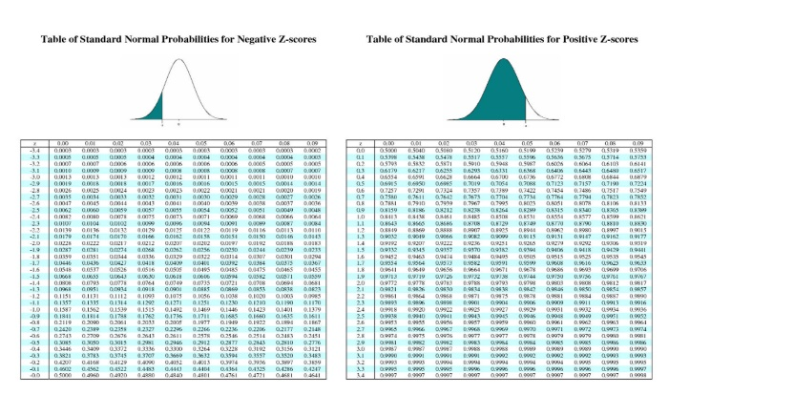
Step1:
At step 1, the hypotheses must be established. We are testing to determine whether the proportion has changed, the alternative hypothesis is that the percentage of children having autism is now more than 5%. The null hypothesis is that the percentage is still equals to 5%. Below are the hypotheses:-
Ho : P = 0.05%
H1: P > 0.05%

Step:2
Step 2 is to determine the appropriate statistical test and sampling distribution.
Proportion is regarded as a discrete value and the sample size is also greater than 30.
So, the Z test is the appropriate test.

Step:3
Significance value is not given, So taking the alpha value as 5%
Significance level α= 0.05; Z critical = +/- 1.645

Step:4

Step 4 is to state the decision rule. Because the test is one tailed and alpha is 0.05, there is 5% area area in the left tail of the table. Thus, the rejection region is in the left end of the distribution with 5% of the area.

Critical: Zscore > Zcritical; we will be rejecting the null hypothesis
P-value : p-value < alpha; we will be rejecting the null hypothesis

Step:5
Step 5 consists of collection of the data. Sample proportion = 384/46 = 0.12

Step:6

z-Test: one sample for proportion.
Z test value:- 6.36
Z critical value:- 1.645
P value:- 0.0014

Step:7

Critical value: 6.05 > 1.645 ; We reject null hypothesis.

Conclusion
P-Value > alpha ; We reject the null hypothesis.

Step:8
We rejected the null hypothesis and that proves that the increase of chemicals in the environment has led to an increase of autism in children in the nation.

Solution2
Step1:
At step 1, the hypotheses must be established. We are testing to determine if the failure percentage of cars to meet pollution guidelines is more than 20%. The null hypothesis is that the percentage of failure is equal to 20%. Alternate hypothesis would be the percentage of failure is more than 20%. Below are the hypotheses:- | 
Ho : P = 0.2%
H1: P > 0.05%

Step:2
Step 2 is to determine the appropriate statistical test and sampling distribution.
Proportion is regarded as a discrete value. So, the Z test is the appropriate test.

Step:3
Significance value is not given, So taking the alpha value as 5%
Significance level α= 0.1; Z critical = +/- 1.3

Step:4

Step 4 is to state the decision rule. Because the test is one tailed and alpha is 0.1, there is 10% area in the left tail of the table. Thus, the rejection region is in the left end of the distribution with 5% of the area.
Critical: Zscore > Zcritical; we will be rejecting the null hypothesis
P-value : p-value < alpha; we will be rejecting the null hypothesis

Step:5
Step 5 consists of collection of the data. Sample proportion = 7/22 = 0.32

Step:6

z-Test: one sample for proportion.
Z test value:- 1.41

Z critical value:- 1.645
P value:- 0.0014

Step:7

Conclusion
P-Value: 0.1 2< 0.05 ; The null hypothesis will be accepted.

Step:8
We accepted the null hypothesis which claims that the percentage of failure is equal to 20%.
Business implications:- The company needs to work on the mechanism of cars in order to decrease the failure rate for meeting the pollution guidelines.
Few changes with the car engines and new advertisements might be required to increase the business compensate the loss till now

